Sheet4
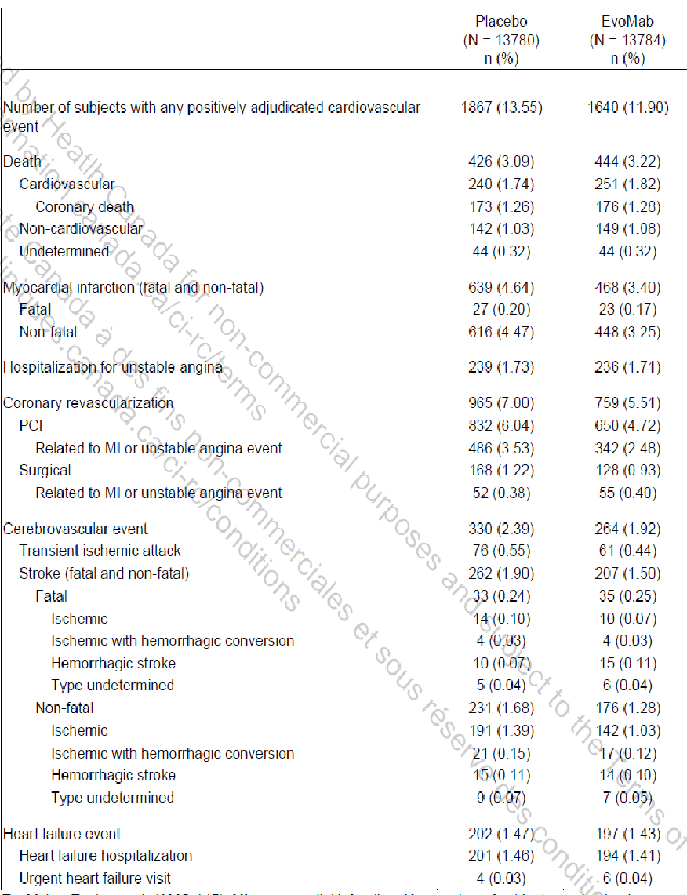

First Hosp Angina
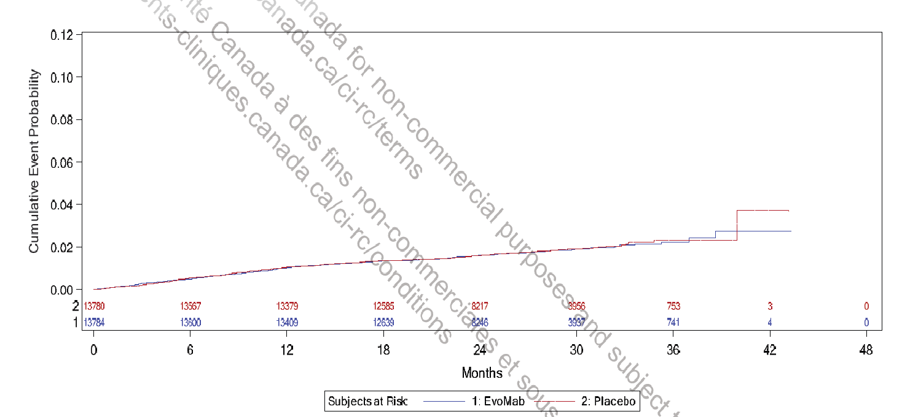

Dataset x | Dataset y |  |  |  | Evomab | Placebo
0.015843679738 | 6.4748325282E-06 | 0.015843679738 | 6.4748325282E-06 | 0 | 13784 | 13780
0.19953412074 | 4.4358665941E-06 | 0.19953412074 | 4.4358665941E-06 | 6 | 13600 | 13567
0.46486475775 | 0.00035400525118 | 0.46486475775 | 0.00035400525118 | 12 | 13409 | 13379
0.66896524775 | 0.00052799701227 | 0.66896524775 | 0.00052799701227 | 18 | 12639 | 12585
0.83224563976 | 0.0007024418769 | 0.83224563976 | 0.0007024418769 | 24 | 8246 | 8217
0.99552603176 | 0.00070062946274 | 0.99552603176 | 0.00070062946274 | 30 | 3937 | 3956
1.5465973548 | 0.0014347952875 | 1.5465973548 | 0.0014347952875 | 36 | 741 | 753
1.2812667178 | 0.0012614831817 | 1.2812667178 | 0.0012614831817
1.7711078938 | 0.001432303218 | 1.7711078938 | 0.001432303218
1.8323380408 | 0.0014316235627 | 1.8323380408 | 0.0014316235627
2.0160284818 | 0.0016058418755 | 2.0160284818 | 0.0016058418755
2.2609490698 | 0.0014268659755 | 2.2609490698 | 0.0014268659755
2.4038194128 | 0.0016015373919 | 2.4038194128 | 0.0016015373919
2.5670998048 | 0.0019522395353 | 2.5670998048 | 0.0019522395353
2.9140706378 | 0.0022656491055 | 2.9140706378 | 0.0022656491055
3.0569409808 | 0.0027928350795 | 3.0569409808 | 0.0027928350795
3.2610414708 | 0.0029668268406 | 3.2610414708 | 0.0029668268406
3.4855520098 | 0.0029643347711 | 3.4855520098 | 0.0029643347711
3.6692424508 | 0.0029622958052 | 3.6692424508 | 0.0029622958052
3.9753931858 | 0.0033114120862 | 3.9753931858 | 0.0033114120862
4.1794936758 | 0.0034854038473 | 4.1794936758 | 0.0034854038473
4.3631841168 | 0.0036596221602 | 4.3631841168 | 0.0036596221602
4.5264645088 | 0.0040103243036 | 4.5264645088 | 0.0040103243036
4.7713850969 | 0.0041838629612 | 4.7713850969 | 0.0041838629612
5.0163056849 | 0.0043574016187 | 5.0163056849 | 0.0043574016187
5.3428664689 | 0.004706291348 | 5.3428664689 | 0.004706291348
5.5469669589 | 0.0045277685515 | 5.5469669589 | 0.0045277685515
5.8122975959 | 0.0048773379361 | 5.8122975959 | 0.0048773379361
5.9959880369 | 0.0054040708065 | 5.9959880369 | 0.0054040708065
6.2000885269 | 0.0054018052888 | 6.2000885269 | 0.0054018052888
6.4450091149 | 0.0055753439464 | 6.4450091149 | 0.0055753439464
6.6899297029 | 0.0057488826039 | 6.6899297029 | 0.0057488826039
6.8940301929 | 0.005922874365 | 6.8940301929 | 0.005922874365
7.1593608299 | 0.0062724437496 | 7.1593608299 | 0.0062724437496
7.6287919569 | 0.0066197476165 | 7.6287919569 | 0.0066197476165
7.9553527409 | 0.0064398655094 | 7.9553527409 | 0.0064398655094
8.1186331329 | 0.0069668249316 | 8.1186331329 | 0.0069668249316
8.3635537209 | 0.007316620868 | 8.3635537209 | 0.007316620868
8.812574799 | 0.0076641512866 | 8.812574799 | 0.0076641512866
9.077905436 | 0.0078374633924 | 9.077905436 | 0.0078374633924
9.465696367 | 0.0080094161875 | 9.465696367 | 0.0080094161875
9.771847102 | 0.0085347897474 | 9.771847102 | 0.0085347897474
10.098407886 | 0.0085311649191 | 10.098407886 | 0.0085311649191
10.322918425 | 0.0088811874072 | 10.322918425 | 0.0088811874072
10.669889258 | 0.0087010787483 | 10.669889258 | 0.0087010787483
11.03727014 | 0.0092257726528 | 11.03727014 | 0.0092257726528
11.302600777 | 0.009927856595 | 11.302600777 | 0.009927856595
11.588341463 | 0.0099246848702 | 11.588341463 | 0.0099246848702
11.935312296 | 0.010625862605 | 11.935312296 | 0.010625862605
12.26187308 | 0.010445980498 | 12.26187308 | 0.010445980498
12.629253962 | 0.010618159845 | 12.629253962 | 0.010618159845
12.996634844 | 0.010614081913 | 12.996634844 | 0.010614081913
13.384425775 | 0.011314806545 | 13.384425775 | 0.011314806545
13.159915236 | 0.010788526778 | 13.159915236 | 0.010788526778
12.506793668 | 0.010619519156 | 12.506793668 | 0.010619519156
13.588526265 | 0.011136283748 | 13.588526265 | 0.011136283748
13.874266951 | 0.011133112023 | 13.874266951 | 0.011133112023
14.445748323 | 0.012008054968 | 14.445748323 | 0.012008054968
15.098869891 | 0.01217706259 | 15.098869891 | 0.01217706259
14.772309107 | 0.011828172861 | 14.772309107 | 0.011828172861
15.547890969 | 0.01234833573 | 15.547890969 | 0.01234833573
15.9356819 | 0.012520288525 | 15.9356819 | 0.012520288525
16.323472831 | 0.012515984041 | 16.323472831 | 0.012515984041
16.833724056 | 0.012369316576 | 16.833724056 | 0.012369316576
17.241925036 | 0.012893557377 | 17.241925036 | 0.012893557377
17.670536065 | 0.013241314347 | 17.670536065 | 0.013241314347
18.017506898 | 0.013413720246 | 18.017506898 | 0.013413720246
18.38488778 | 0.013585899593 | 18.38488778 | 0.013585899593
18.752268662 | 0.013581821661 | 18.752268662 | 0.013581821661
19.221699789 | 0.013752868249 | 19.221699789 | 0.013752868249
20.078921847 | 0.013708099467 | 20.078921847 | 0.013708099467
20.405482631 | 0.013704474639 | 20.405482631 | 0.013704474639
20.936143905 | 0.014051098851 | 20.936143905 | 0.014051098851
21.44639513 | 0.014397949614 | 21.44639513 | 0.014397949614
22.119926747 | 0.014566730684 | 22.119926747 | 0.014566730684
22.324027237 | 0.014388207888 | 22.324027237 | 0.014388207888
22.385257384 | 0.014916300069 | 22.385257384 | 0.014916300069
22.793458676 | 0.015088026309 | 22.793458676 | 0.015088026309
23.181249607 | 0.015259979104 | 23.181249607 | 0.015259979104
23.507810391 | 0.015432611554 | 23.507810391 | 0.015432611554
23.834371175 | 0.015605244005 | 23.834371175 | 0.015605244005
24.385442498 | 0.016304156222 | 24.385442498 | 0.016304156222
24.630363086 | 0.016125180322 | 24.630363086 | 0.016125180322
24.814053527 | 0.016123141356 | 24.814053527 | 0.016123141356
24.916103772 | 0.016474523155 | 24.916103772 | 0.016474523155
25.650865536 | 0.016818881849 | 25.650865536 | 0.016818881849
25.283484654 | 0.016646702502 | 25.283484654 | 0.016646702502
26.079476565 | 0.017166638819 | 26.079476565 | 0.017166638819
26.487677545 | 0.016985850505 | 26.487677545 | 0.016985850505
26.79382828 | 0.01680619495 | 26.79382828 | 0.01680619495
27.079568966 | 0.017155537783 | 27.079568966 | 0.017155537783
27.242849358 | 0.017506239926 | 27.242849358 | 0.017506239926
27.855150828 | 0.01785195793 | 27.855150828 | 0.01785195793
28.283761857 | 0.018023457622 | 28.283761857 | 0.018023457622
28.447042249 | 0.018197902487 | 28.447042249 | 0.018197902487
28.712372886 | 0.01872372915 | 28.712372886 | 0.01872372915
29.120573866 | 0.018366683557 | 29.120573866 | 0.018366683557
29.528774846 | 0.018362152522 | 29.528774846 | 0.018362152522
29.834925581 | 0.018711268803 | 29.834925581 | 0.018711268803
30.181896414 | 0.018707417423 | 30.181896414 | 0.018707417423
30.569687345 | 0.019055627497 | 30.569687345 | 0.019055627497
30.896248129 | 0.018875745389 | 30.896248129 | 0.018875745389
31.039118472 | 0.019226674085 | 31.039118472 | 0.019226674085
31.324859158 | 0.019576016917 | 31.324859158 | 0.019576016917
31.590189795 | 0.019925586302 | 31.590189795 | 0.019925586302
32.080030971 | 0.020096406338 | 31.753468941 | 0.02010003118
32.427001804 | 0.020092554958 | 32.100439774 | 0.019919922522
32.671922392 | 0.019737321779 | 32.508640754 | 0.019915391486
32.733152539 | 0.020617928518 | 32.631101048 | 0.020266546733
32.998483176 | 0.020614983345 | 32.957661832 | 0.020615436462
33.222993715 | 0.020259976718 | 33.120942224 | 0.020437366769
33.712834891 | 0.020783311312 | 33.284222616 | 0.021669355307
34.202676067 | 0.020954131348 | 33.40668291 | 0.022020510554
34.876207684 | 0.02094665514 | 33.81488389 | 0.022015979518
35.263998615 | 0.021118607935 | 34.304725066 | 0.022010542276
35.263998615 | 0.021999894329 | 34.712926046 | 0.022006011241
36.99885278 | 0.023566952938 | 34.855796389 | 0.022885711772
36.937622633 | 0.021981317084 | 35.202767222 | 0.023058117671
36.427371408 | 0.021458209042 | 35.631378251 | 0.023229617362
35.876300085 | 0.021288068661 | 36.080399329 | 0.023048375945
37.733613298 | 0.023911311645 | 36.509010358 | 0.023219875636
38.243864523 | 0.02408190513 | 36.855981191 | 0.023039766977
38.590835356 | 0.023725539192 | 37.345822367 | 0.022858072456
38.611245405 | 0.026897943659 | 37.89689369 | 0.023028212837
39.223546875 | 0.027243661663 | 38.407144915 | 0.023022549043
39.917488541 | 0.027235958903 | 38.876576042 | 0.023193595631
40.978811089 | 0.027047920932 | 39.366417218 | 0.02301190111
41.754392951 | 0.027215569244 | 39.672567953 | 0.023184760112
42.550384862 | 0.027206733725 | 39.93789859 | 0.023181814939
43.183096381 | 0.027375967899 | 39.93789859 | 0.036753625406
34.549645654 | 0.020950279982 | 41.509472363 | 0.036912438199
 |  | 42.407514519 | 0.0370787272
 |  | 43.101456185 | 0.036894767161
 |  | 31.508548353 | 0.019926492523
 |  | 39.93789859 | 0.029879591533

Sheet2
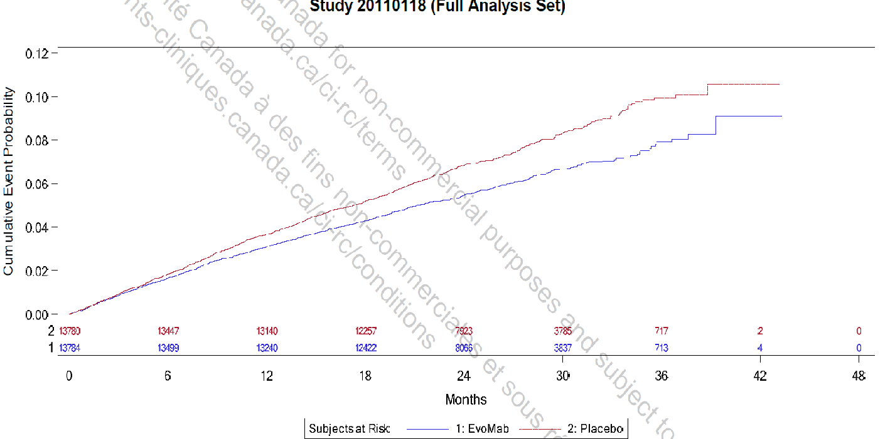
CV-Death, MI, Stroke

CVdeath
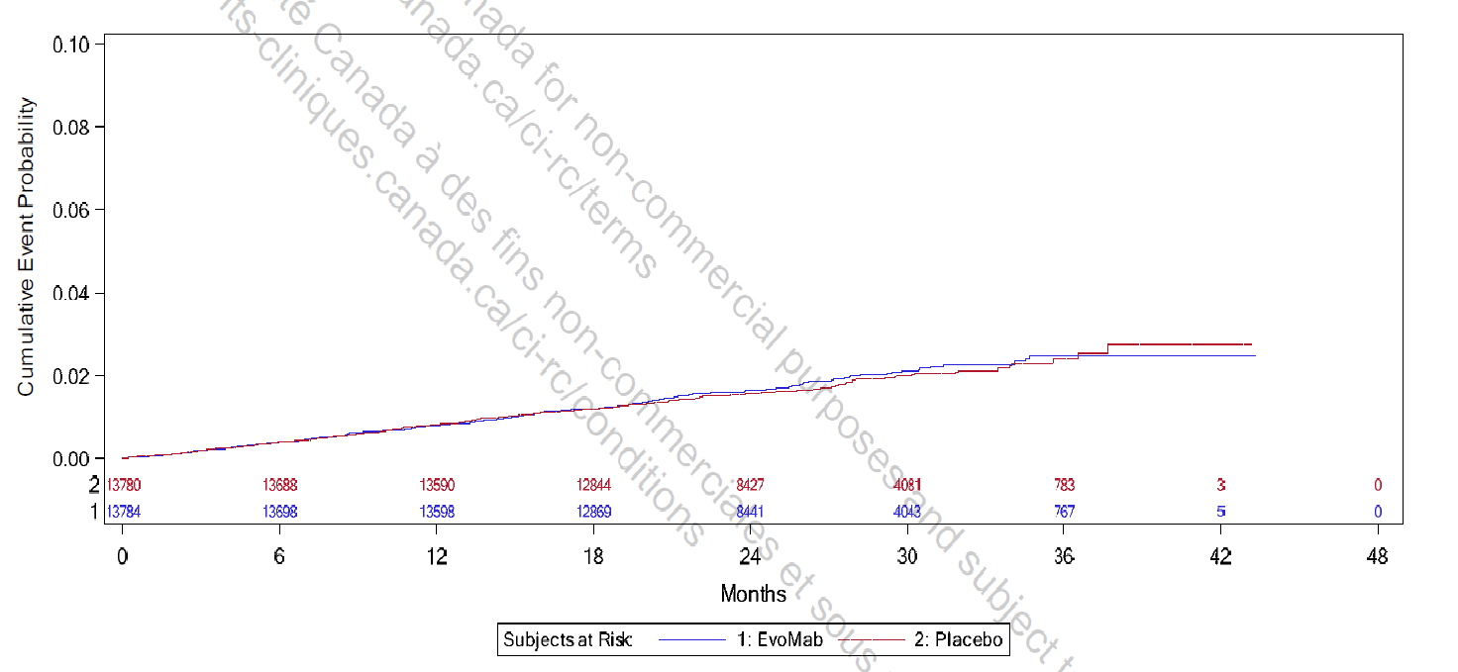

Evomab |  | Placebo

Dataset x | Dataset y | Dataset x | Dataset y |  | Evomab | Placebo
0.10377242633 | 0 | 0.10377242633 | 0 | 0 | 13784 | 13780
0.30757820656 | 0.00044781155767 | 0.30757820656 | 0.00044781155767 | 6 | 13698 | 13688
0.73557034503 | 0.00030260479582 | 0.73557034503 | 0.00030260479582 | 12 | 13598 | 13590
0.9801372813 | 0.00089388150503 | 0.9801372813 | 0.00089388150503 | 18 | 12869 | 12844
1.3062265297 | 0.00089562311533 | 1.3062265297 | 0.00089562311533 | 24 | 8441 | 8427
1.591554622 | 0.00060216177361 | 1.591554622 | 0.00060216177361 | 30 | 4043 | 4061
2.4067777429 | 0.0014914715516 | 2.4067777429 | 0.0014914715516 | 36 | 767 | 783
2.0806884945 | 0.0011947446905 | 2.0806884945 | 0.0011947446905
2.9978145055 | 0.0020845987217 | 2.9978145055 | 0.0020845987217
3.3035231759 | 0.001938738856 | 3.3035231759 | 0.001938738856
3.8945599385 | 0.0023843734008 | 3.8945599385 | 0.0023843734008
4.4040743891 | 0.0029770651684 | 4.4040743891 | 0.0029770651684
4.6078801693 | 0.0031256463002 | 4.6078801693 | 0.0031256463002
4.9135888396 | 0.0032747716852 | 4.9135888396 | 0.0032747716852
5.2804392441 | 0.0035717162476 | 5.2804392441 | 0.0035717162476
6.4828933474 | 0.004168108937 | 6.4828933474 | 0.004168108937
6.2179458331 | 0.0041666938787 | 6.2179458331 | 0.0041666938787
5.8714760067 | 0.003869858167 | 5.8714760067 | 0.003869858167
5.6676702265 | 0.0038687696605 | 5.6676702265 | 0.0038687696605
6.9720272199 | 0.0043182139779 | 6.9720272199 | 0.0043182139779
7.2165941562 | 0.0047619980617 | 7.2165941562 | 0.0047619980617
7.5223028265 | 0.0050586160721 | 7.5223028265 | 0.0050586160721
7.7872503408 | 0.0052075237558 | 7.7872503408 | 0.0052075237558
8.0318172771 | 0.0052088299636 | 8.0318172771 | 0.0052088299636
8.3375259474 | 0.005505447974 | 8.3375259474 | 0.005505447974
8.6024734617 | 0.005359370407 | 8.6024734617 | 0.005359370407
8.7247569299 | 0.006244979263 | 8.7247569299 | 0.006244979263
9.0916073343 | 0.0059519533239 | 9.0916073343 | 0.0059519533239
9.2954131145 | 0.0065430123318 | 9.2954131145 | 0.0065430123318
9.6215023628 | 0.0065447539421 | 9.6215023628 | 0.0065447539421
9.9272110332 | 0.0066938793272 | 9.9272110332 | 0.0066938793272
10.232919704 | 0.0071379899629 | 10.232919704 | 0.0071379899629
10.559008952 | 0.0071397315732 | 10.559008952 | 0.0071397315732
10.803575888 | 0.0072885304063 | 10.803575888 | 0.0072885304063
11.027762246 | 0.0077322056395 | 11.027762246 | 0.0077322056395
11.292709758 | 0.0077336206979 | 11.292709758 | 0.0077336206979
11.679940741 | 0.0078831814855 | 11.679940741 | 0.0078831814855
11.863365943 | 0.008179146392 | 11.863365943 | 0.008179146392
12.169074613 | 0.0081807791517 | 12.169074613 | 0.0081807791517
12.393260971 | 0.0084769617595 | 12.393260971 | 0.0084769617595
12.800872532 | 0.0086266313977 | 12.800872532 | 0.0086266313977
13.12696178 | 0.0086283730081 | 13.12696178 | 0.0086283730081
13.351148139 | 0.0089245556159 | 13.351148139 | 0.0089245556159
13.534573341 | 0.009073027897 | 13.534573341 | 0.009073027897
14.08484895 | 0.0095184447405 | 14.08484895 | 0.0095184447405
14.49246051 | 0.0095206217534 | 14.49246051 | 0.0095206217534
14.655505134 | 0.009668985184 | 14.655505134 | 0.009668985184
15.429967099 | 0.010705569886 | 15.429967099 | 0.010705569886
15.185400163 | 0.0099668005514 | 15.185400163 | 0.0099668005514
15.83757866 | 0.010707746899 | 15.83757866 | 0.010707746899
16.510137734 | 0.011448802097 | 16.510137734 | 0.011448802097
16.958510451 | 0.011598689437 | 16.958510451 | 0.011598689437
17.243838543 | 0.011895198596 | 17.243838543 | 0.011895198596
17.48840548 | 0.012043997429 | 17.48840548 | 0.012043997429
18.242486866 | 0.012195517529 | 18.242486866 | 0.012195517529
17.834875306 | 0.01175086264 | 17.834875306 | 0.01175086264
18.588956693 | 0.01219736799 | 17.946236015 | 0.012012885743
19.200374033 | 0.01249561876 | 18.174045571 | 0.01220806006
19.44494097 | 0.012939402843 | 18.455457376 | 0.01259747827
19.485702126 | 0.013234605795 | 18.790471428 | 0.012405309938
19.913693766 | 0.013384384282 | 19.299692788 | 0.012989902464
20.280544171 | 0.013828821469 | 19.045082108 | 0.012697606201
20.993864401 | 0.014127616493 | 19.50070122 | 0.013184933639
21.605281742 | 0.014425867263 | 19.741911338 | 0.013380179527
22.094415615 | 0.014428479678 | 19.996522018 | 0.013478518181
22.237079661 | 0.015609182636 | 20.371737757 | 0.013577500976
22.787355267 | 0.015169643727 | 20.639748999 | 0.013772890006
23.154205672 | 0.015319095664 | 20.813956307 | 0.013676841625
23.561817232 | 0.015616257928 | 20.907760242 | 0.013968279036
23.969428793 | 0.01561843494 | 21.175771484 | 0.014163668066
24.438182087 | 0.015620938505 | 21.390180478 | 0.01455272842
24.641987867 | 0.016064504888 | 21.886001276 | 0.014167461332
25.661016769 | 0.016364932671 | 22.301418701 | 0.015139468078
25.905583705 | 0.016808716755 | 22.502427133 | 0.015237520449
26.353956421 | 0.016811111469 | 22.824040623 | 0.015336216959
26.720806826 | 0.01681307078 | 23.105452428 | 0.015240741147
27.271082432 | 0.017848458125 | 23.293060297 | 0.015338721946
27.576791103 | 0.01799758351 | 23.453867043 | 0.015630517212
27.923260929 | 0.019031882349 | 23.748679409 | 0.015438134167
28.351253067 | 0.019329153463 | 23.909486154 | 0.015729929433
28.73848405 | 0.019183729 | 24.204298521 | 0.015731503996
29.105334454 | 0.019185688312 | 24.365105266 | 0.015829341653
29.329520813 | 0.019629363545 | 24.472309763 | 0.016120850635
30.144743933 | 0.020223688072 | 24.673318195 | 0.016218903005
30.59311665 | 0.020816053288 | 24.927928875 | 0.016123284051
31.00072821 | 0.020965722926 | 25.115536744 | 0.016221264851
31.469481505 | 0.020525748615 | 25.329945738 | 0.0165133464
31.815951331 | 0.020822584326 | 25.59795698 | 0.016126862605
31.978995955 | 0.021560918258 | 25.758763725 | 0.016321679066
32.936883123 | 0.021123556362 | 25.906169909 | 0.016710381565
32.44774925 | 0.021415929198 | 26.187581713 | 0.016905842166
33.507539307 | 0.020979111555 | 26.428791831 | 0.016810151641
33.548300463 | 0.022306762885 | 26.656601387 | 0.016908347154
33.935531446 | 0.021718860545 | 26.884410943 | 0.01710352147
34.037434336 | 0.022751853176 | 27.350751158 | 0.017687884973
34.159717804 | 0.023194984156 | 27.189944413 | 0.017590047316
35.606738843 | 0.023202712552 | 27.082739916 | 0.017395517139
35.586358265 | 0.024382544704 | 27.618762401 | 0.018174210416
36.483103698 | 0.024534826758 | 27.752768022 | 0.018368883735
37.70593838 | 0.025573806174 | 27.926975329 | 0.018563771767
37.685557802 | 0.027786086704 | 27.913574767 | 0.019339530631
39.927421384 | 0.0279455529 | 28.170864905 | 0.019243925987
41.027972597 | 0.027951430835 | 28.479077834 | 0.019342550926
42.006240343 | 0.027661670415 | 28.720287952 | 0.019246860401
37.155662773 | 0.025865852458 | 29.02850088 | 0.019248506536
34.974940925 | 0.023199338182 | 29.229509312 | 0.019443537711
35.382552485 | 0.02334900782 | 29.484119992 | 0.019541876365
34.628471098 | 0.023049995096 | 29.618125613 | 0.020124464902
 |  | 29.886136855 | 0.020319853932
 |  | 30.140747535 | 0.020224234978
 |  | 30.381957653 | 0.020807396083
 |  | 30.690170582 | 0.020712063413
 |  | 31.092187445 | 0.020617231741
 |  | 31.574607681 | 0.020619808299
 |  | 31.789016675 | 0.020620953437
 |  | 31.909621734 | 0.020912533989
 |  | 31.936422858 | 0.021203613544
 |  | 32.39204197 | 0.02120604696
 |  | 32.928064454 | 0.021208909803
 |  | 33.504288625 | 0.021115008555
 |  | 33.531089749 | 0.02208493974
 |  | 33.906305488 | 0.021892986122
 |  | 34.000109423 | 0.022669317553
 |  | 34.160916168 | 0.023155070427
 |  | 34.522731345 | 0.023157002846
 |  | 34.964949895 | 0.023062385887
 |  | 35.31336451 | 0.023355183148
 |  | 35.56797519 | 0.023065606586
 |  | 35.56797519 | 0.024326331041
 |  | 35.876188118 | 0.024327977176
 |  | 36.224602733 | 0.02423285922
 |  | 36.5194151 | 0.024234433783
 |  | 36.58641791 | 0.025883431311
 |  | 37.02863646 | 0.025885793156
 |  | 37.47085501 | 0.025597218589
 |  | 37.671863441 | 0.025404334547
 |  | 37.698664565 | 0.027634990187
 |  | 38.449096044 | 0.027735976971
 |  | 39.373734829 | 0.027740915375
 |  | 40.01696181 | 0.027841329591
 |  | 40.861197223 | 0.027554902156
 |  | 41.558026453 | 0.027655602656
 |  | 42.68367367 | 0.02775859343

First MI
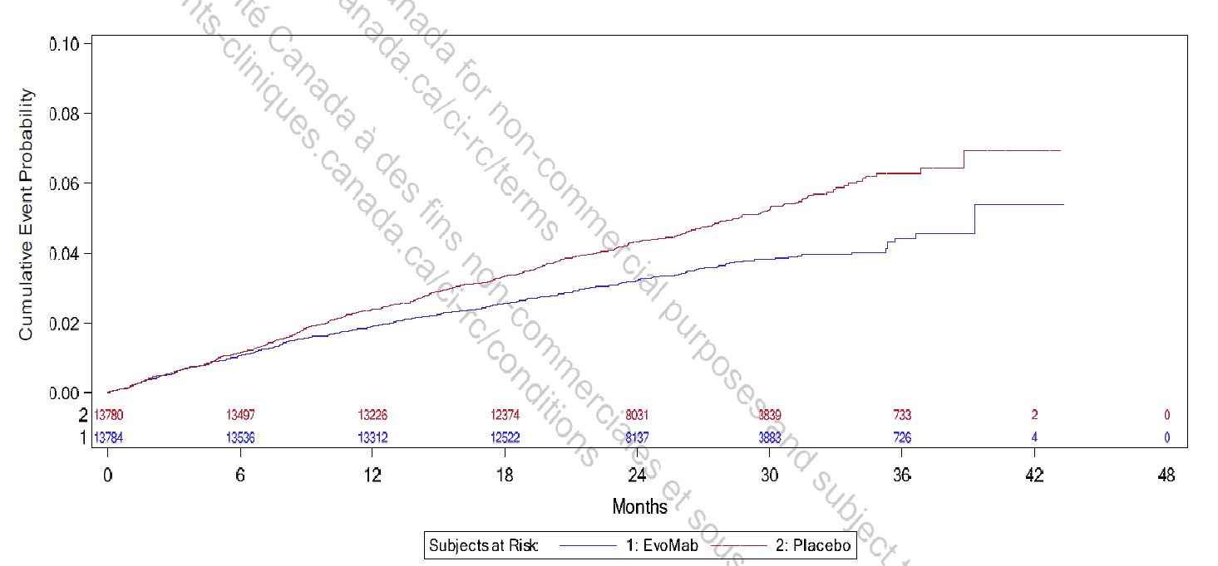

Evomab |  | Placebo

Dataset x | Dataset y | Dataset x | Dataset y |  | Evomab | Placebo
0.066576889055 | 0.00033299759959 | 0.019632270399 | 0.00033324821148 | 0 | 13784 | 13780
0.37171691032 | 0.00067044650378 | 0.1839384357 | 0.00067144895133 | 6 | 13536 | 13497
0.55949538495 | 0.0010085219377 | 0.27782767301 | 0.00050140878683 | 12 | 13312 | 13226
0.70032924092 | 0.0011773090428 | 0.37171691032 | 0.00067044650378 | 18 | 12522 | 12374
0.81769078756 | 0.001176682513 | 0.48907845696 | 0.0008393589148 | 24 | 8137 | 8031
1.2401923555 | 0.0025307385319 | 0.6064400036 | 0.00083873238508 | 30 | 3883 | 3839
1.3810262114 | 0.0025299866962 | 0.67685693159 | 0.0011774343487 | 36 | 726 | 733
1.4749154487 | 0.0026990244132 | 0.88810771554 | 0.0011763065952
1.5688046861 | 0.0030376010709 | 1.0993584995 | 0.0020228735454
1.6626939234 | 0.0033761777286 | 1.4514431394 | 0.0028686886599
1.709638542 | 0.0037150049982 | 1.639221614 | 0.0033763030345
1.8974170167 | 0.0037140025506 | 1.6626939234 | 0.00371525561
2.0851954913 | 0.004255526783 | 2.061723182 | 0.0040522032905
2.2260293472 | 0.004424313888 | 2.3433908939 | 0.0043897775006
2.3433908939 | 0.0044236873583 | 2.6250586058 | 0.0050664295922
2.6250586058 | 0.0049308005092 | 2.7424201525 | 0.0050658030625
3.0475601737 | 0.0059118687889 | 2.9536709364 | 0.0057428310719
3.211866339 | 0.0062500695287 | 3.0240878644 | 0.0057424551541
3.5404786696 | 0.0071299198069 | 3.1179771017 | 0.0062505707525
3.6343679069 | 0.0072989575238 | 3.4465894323 | 0.0065878943508
3.6813125256 | 0.007298706912 | 3.5874232883 | 0.0070957593373
3.7752017629 | 0.0072982056882 | 3.7282571442 | 0.0074340853831
3.8221463816 | 0.0071284161356 | 3.8925633095 | 0.0074332082415
4.0099248562 | 0.0076360305102 | 4.2681202588 | 0.00827889805
4.1507587122 | 0.0076352786745 | 4.6671495174 | 0.008276767849
4.4324264241 | 0.007803313944 | 4.7375664454 | 0.0089545476941
4.5028433521 | 0.0083115548483 | 4.8784003013 | 0.0092928737399
4.643677208 | 0.0084803419534 | 4.9488172293 | 0.0096315757035
4.9018726107 | 0.0091571193509 | 5.1835403226 | 0.010478017348
5.066178776 | 0.0093257811501 | 5.4886803439 | 0.010645927311
5.4182634159 | 0.0098325183831 | 5.8407649838 | 0.011491742426
5.6295141998 | 0.01000092957 | 6.7092404289 | 0.012673878691
5.8407649838 | 0.010169340758 | 6.3102111703 | 0.01216739207
5.9111819118 | 0.01016896484 | 6.1928496237 | 0.011659401777
6.0285434584 | 0.010676955132 | 7.3664650901 | 0.014704837413
6.1928496237 | 0.010845616931 | 7.0847973782 | 0.013180490618
6.5449342636 | 0.011352354164 | 7.6246604927 | 0.01521207587
6.7092404289 | 0.011860093845 | 7.8124389674 | 0.015380612363
6.9909081409 | 0.012028129114 | 7.9767451326 | 0.015718813103
7.3664650901 | 0.012534741041 | 8.2818851539 | 0.016225800948
7.4838266368 | 0.012873192393 | 8.4696636285 | 0.017242032145
7.6950774207 | 0.013211142521 | 8.5870251752 | 0.017241405615
7.7654943487 | 0.013549844485 | 8.7982759591 | 0.017918433625
7.929800514 | 0.014057584165 | 8.8686928871 | 0.018257135588
8.07063437 | 0.014565449152 | 8.9625821244 | 0.018765251187
8.1645236073 | 0.014564947928 | 9.3146667644 | 0.01944152736
8.5166082472 | 0.015071685161 | 9.4789729297 | 0.019440650219
8.7982759591 | 0.015409259371 | 9.7136960229 | 0.019948013982
9.0564713617 | 0.015577419947 | 9.9718914255 | 0.020116174557
9.2677221457 | 0.016050999158 | 10.206614519 | 0.02079307726
9.3381390737 | 0.01605062324 | 10.535226849 | 0.021808556622
9.5259175483 | 0.016049620792 | 10.769949943 | 0.022146381444
9.8545298789 | 0.016420854248 | 11.309813057 | 0.023160733051
10.042308354 | 0.016419851801 | 11.004673036 | 0.022653745206
10.230086828 | 0.017097005116 | 11.544536151 | 0.023329018933
10.417865303 | 0.016926463728 | 11.826203862 | 0.023836132083
10.769949943 | 0.017738368985 | 12.131343884 | 0.023834503106
10.957728417 | 0.018076444419 | 12.389539286 | 0.024002663682
11.309813057 | 0.01824410377 | 12.553845452 | 0.024679942303
11.661897697 | 0.018242224181 | 12.765096236 | 0.025017892431
11.89662079 | 0.018749587944 | 12.97634702 | 0.0255253815
12.225233121 | 0.019256450483 | 13.187597803 | 0.025354714805
12.553845452 | 0.019593774081 | 13.422320897 | 0.025692539627
12.929402401 | 0.020100386008 | 13.680516299 | 0.026199778084
13.469265515 | 0.020945198675 | 13.844822465 | 0.026707517765
13.727460918 | 0.021282898191 | 14.220379414 | 0.027383668633
14.290796342 | 0.021958046611 | 14.408157889 | 0.027721744066
14.595936363 | 0.022125956575 | 14.525519435 | 0.028229734359
14.948021003 | 0.022124076986 | 14.783714838 | 0.029076050697
15.112327168 | 0.022462277726 | 15.135799478 | 0.02941324899
15.159271787 | 0.022631566054 | 15.347050262 | 0.029751199117
15.347050262 | 0.022800102548 | 16.192053398 | 0.030933460689
15.534828736 | 0.022968639041 | 15.863441067 | 0.030765676031
15.980802614 | 0.023135797169 | 15.652190283 | 0.030258186962
16.544138037 | 0.023810945589 | 15.511356427 | 0.029919860917
16.896222677 | 0.02397860494 | 16.403304181 | 0.031271410817
17.224835008 | 0.02465500642 | 16.731916512 | 0.031269656533
17.764698122 | 0.025669358028 | 17.060528843 | 0.03126790225
17.529975029 | 0.024992455324 | 17.342196555 | 0.03160547646
18.046365834 | 0.025498315416 | 17.483030411 | 0.032282880388
18.210672 | 0.026006055096 | 17.717753504 | 0.03262070521
18.680118186 | 0.026173087918 | 17.929004288 | 0.033128194278
19.032202826 | 0.026849364092 | 18.116782762 | 0.033805347594
19.173036682 | 0.027018151197 | 18.468867402 | 0.033803468005
19.525121322 | 0.027185810549 | 18.727062805 | 0.03397162858
19.853733653 | 0.027523134147 | 19.102619754 | 0.035325935211
20.346652149 | 0.027690041663 | 19.454704394 | 0.035493594562
20.510958314 | 0.028367320284 | 19.689427487 | 0.036340036206
21.050821428 | 0.028703516129 | 19.994567509 | 0.037016562992
21.191655284 | 0.029041842175 | 20.182345983 | 0.037015560545
21.520267615 | 0.029887782595 | 20.440541386 | 0.037522799001
21.848879946 | 0.030225106193 | 20.604847551 | 0.038369616563
22.271381513 | 0.030392389627 | 20.886515263 | 0.038707190774
22.670410772 | 0.030559798367 | 21.121238356 | 0.039214554536
23.139856959 | 0.03106590907 | 21.449850687 | 0.039382339194
22.905133865 | 0.030897623189 | 21.801935327 | 0.039549998545
23.327635433 | 0.031403984504 | 22.03665842 | 0.04039644019
23.515413908 | 0.031742059938 | 22.38874306 | 0.0403945606
23.703192383 | 0.032080135372 | 22.670410772 | 0.040732134811
24.172638569 | 0.032416707134 | 22.952078484 | 0.041239247961
24.524723209 | 0.032414827545 | 23.210273887 | 0.041916025359
24.712501684 | 0.03292244192 | 23.421524671 | 0.042084436546
24.970697086 | 0.033260141436 | 23.609303145 | 0.042252973039
25.158475561 | 0.033259138988 | 23.703192383 | 0.04326970546
25.557504819 | 0.033426547728 | 24.196110878 | 0.043606151917
25.815700222 | 0.033594708303 | 23.961387785 | 0.043437866035
26.23820179 | 0.0344401475 | 24.524723209 | 0.043773936574
26.449452574 | 0.034608558687 | 24.85333554 | 0.044111260172
26.566814121 | 0.03511654898 | 25.20542018 | 0.044278919524
26.801537214 | 0.035284834861 | 25.604449438 | 0.044615867204
27.012787998 | 0.03579232393 | 26.097367934 | 0.045460930483
27.224038782 | 0.035960735117 | 26.59028643 | 0.046984149525
27.64654035 | 0.035788940669 | 26.871954142 | 0.047152184794
27.881263443 | 0.036296304432 | 27.153621854 | 0.047828836886
28.069041918 | 0.036803918807 | 27.435289566 | 0.047996872155
28.397654248 | 0.037480320287 | 27.763901896 | 0.048673273635
28.773211197 | 0.037817393273 | 27.693484968 | 0.048504110612
29.007934291 | 0.037646601273 | 28.32723732 | 0.049687499937
29.148768147 | 0.037645849437 | 28.115986536 | 0.049010471927
30.040715901 | 0.038488782515 | 28.608905032 | 0.049855535206
29.524325096 | 0.038491539246 | 28.773211197 | 0.050702352768
30.275438994 | 0.038317990515 | 29.38349124 | 0.050868633755
30.463217469 | 0.038656065949 | 29.665158952 | 0.051545285846
30.838774418 | 0.038654061053 | 29.852937426 | 0.052052900221
31.050025202 | 0.039161550122 | 29.946826664 | 0.052052398997
31.284748296 | 0.038990758122 | 30.06418821 | 0.053408083993
31.495999079 | 0.039667786131 | 30.557106706 | 0.05374453045
33.655451538 | 0.039656257985 | 29.0314066 | 0.051040052284
32.575725309 | 0.039662022058 | 30.815302109 | 0.054421307847
34.523926983 | 0.039990699546 | 31.14391444 | 0.054250014623
35.275040881 | 0.039817150815 | 31.355165223 | 0.054587964751
33.772813084 | 0.040164248277 | 31.425582151 | 0.055096205656
35.345457809 | 0.041512164305 | 31.566416007 | 0.055434531702
35.392402428 | 0.043376842041 | 31.707249863 | 0.056111935629
35.67407014 | 0.043205799429 | 31.707249863 | 0.056620552451
35.697542449 | 0.044392446708 | 32.012389885 | 0.056958001355
36.612962513 | 0.044218020836 | 32.411419143 | 0.056955871154
36.636434822 | 0.045235129174 | 32.52878069 | 0.056955244624
39.288805776 | 0.045560047484 | 32.575725309 | 0.057463610835
39.288805776 | 0.05403699452 | 32.786976093 | 0.057462483081
37.833522598 | 0.045398277512 | 33.068643804 | 0.059156368817
38.514219569 | 0.045394643639 | 33.397256135 | 0.058985075593
40.321587387 | 0.053861942118 | 33.538089991 | 0.059323401639
41.307424379 | 0.053687140328 | 33.608506919 | 0.060340259366
42.363678298 | 0.054020579442 | 33.93711925 | 0.059999427201
 |  | 34.124897724 | 0.060676580516
 |  | 34.218786962 | 0.061015157174
 |  | 34.336148508 | 0.061862225348
 |  | 34.899483932 | 0.062198295887
 |  | 34.899483932 | 0.062537373768
 |  | 34.664760839 | 0.062199548946
 |  | 36.847685606 | 0.062696512316
 |  | 35.838376305 | 0.062871439412
 |  | 36.542545585 | 0.062867680234
 |  | 35.3219855 | 0.063043735083
 |  | 36.894630225 | 0.064561190052
 |  | 38.748942662 | 0.064551290882
 |  | 37.856994907 | 0.064216974627
 |  | 38.81935959 | 0.066585382253
 |  | 38.81935959 | 0.069298005305
 |  | 39.429639632 | 0.06912520841
 |  | 40.462421243 | 0.069119694948
 |  | 41.6125644 | 0.069113554957
 |  | 42.504512154 | 0.068600176509
 |  | 43.138264506 | 0.069105410071

First stroke
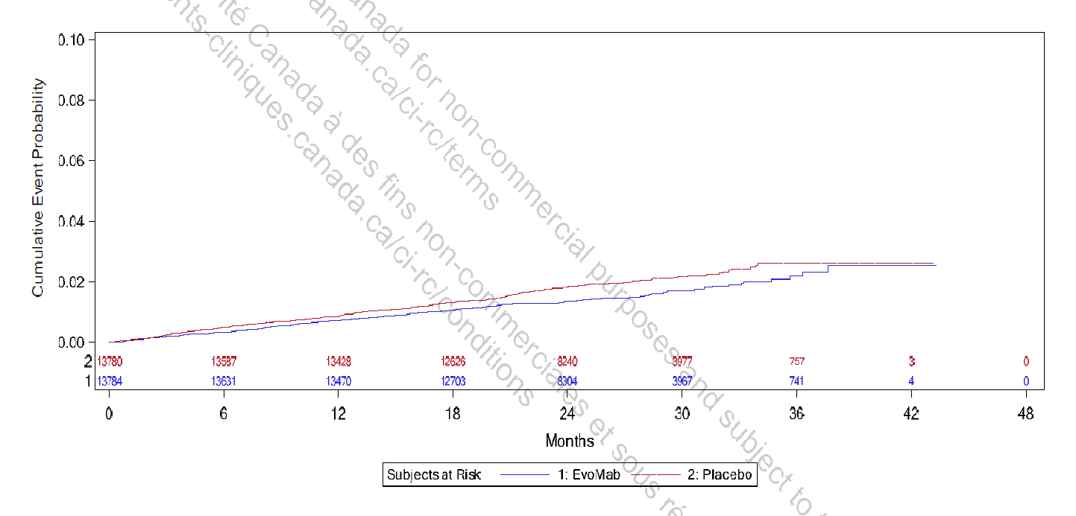

Evomab |  | Placebo

Dataset x | Dataset y | Dataset x | Dataset y |  | Evomab | Placebo
0.11412304865 | -2.8832298192E-05 | 0.13184344735 | -2.8832298192E-05 | 0 | 13784 | 13780
0.30899523874 | -0.00015689787529 | 0.36231302158 | 0.000227298856 | 6 | 13631 | 13587
0.5925216179 | -0.00015689787529 | 0.64583940074 | 0.000227298856 | 12 | 13470 | 13428
1.5851875582 | 0.000637110266 | 1.6207327468 | 0.0008932414202 | 18 | 12703 | 12626
1.7978323426 | 0.000637110266 | 1.372647165 | 0.0008932414202 | 24 | 6304 | 8240
1.9750363295 | 0.000637110266 | 1.0890163947 | 0.000637110266 | 30 | 3967 | 3977
2.542339626 | 0.0012518234728 | 2.0992879027 | 0.0011493725744 | 36 | 741 | 757
2.7727570047 | 0.0013798890499 | 2.4893454564 | 0.0016616348828 |  | 4
3.1627101672 | 0.001636020204 | 2.7198150306 | 0.001917766037
3.7297107299 | 0.001507954627 | 2.8971234088 | 0.0021738971911
3.800801107 | 0.0020202169353 | 3.0035501921 | 0.0024300283453
4.0312184857 | 0.0021482825124 | 3.3225173687 | 0.0024300283453
4.1730860664 | 0.0024044136666 | 3.6594554821 | 0.0030447415521
4.3857308508 | 0.0024044136666 | 3.8898206651 | 0.0030447415521
4.7578592234 | 0.0024044136666 | 4.1734514355 | 0.0033008727063
5.0592103924 | 0.0026605448208 | 4.3506554224 | 0.0033008727063
5.2896277711 | 0.0027886103979 | 4.5102955975 | 0.0036850694376
5.3959501633 | 0.0027886103979 | 4.68755178 | 0.0038131350147
5.8566805294 | 0.0027886103979 | 4.9003531511 | 0.004197331746
6.2112450901 | 0.0031728071292 | 5.5205775453 | 0.0042229464247
6.3707808739 | 0.0033008727063 | 5.1661173758 | 0.0040948808476
6.494928056 | 0.0035570038605 | 5.7865401125 | 0.004607143156
6.9734310164 | 0.0036850694376 | 5.9462324831 | 0.0051194054643
7.2569573956 | 0.0036850694376 | 6.2118818768 | 0.0047352087331
7.6646831523 | 0.0040692661689 | 6.4068062625 | 0.0047352087331
7.9304891328 | 0.0040692661689 | 6.4778966396 | 0.0052474710414
8.1611152938 | 0.0047095940543 | 6.7082618227 | 0.0052474710414
8.2851580847 | 0.0047095940543 | 7.0096651873 | 0.0056316677727
8.5155232677 | 0.0047095940543 | 7.1159875794 | 0.0056316677727
8.7992062336 | 0.0050937907856 | 7.2578551602 | 0.0058877989269
8.9410738144 | 0.0053499219398 | 7.4704999445 | 0.0058877989269
9.1714389974 | 0.0053499219398 | 7.594594931 | 0.006015864504
9.3663111875 | 0.0052218563627 | 7.771798918 | 0.006015864504
9.7740369443 | 0.005606053094 | 8.0022162966 | 0.0061439300811
9.9158001339 | 0.005606053094 | 8.2326336753 | 0.0062719956582
9.9514497136 | 0.0061183154024 | 8.7111888313 | 0.0065281268124
10.323578086 | 0.0061183154024 | 8.9062176081 | 0.0067842579666
10.713583444 | 0.0065025121337 | 9.3138389737 | 0.0069123235437
10.90850783 | 0.0065025121337 | 9.6151379472 | 0.0070403891208
11.032550621 | 0.0065025121337 | 9.7923941297 | 0.0071684546979
11.068148005 | 0.006886708865 | 10.022811508 | 0.007296520275
11.33390179 | 0.0067586432879 | 10.377271678 | 0.0074245858521
11.652868966 | 0.0067586432879 | 10.660954644 | 0.0078087825833
11.847793352 | 0.0067586432879 | 10.909040226 | 0.0078087825833
12.273187312 | 0.0070147744421 | 11.1395098 | 0.0080649137375
12.592206684 | 0.0071428400192 | 11.298993388 | 0.0080649137375
12.805008055 | 0.0075270367504 | 11.813093733 | 0.0085771760459
13.106254833 | 0.0075270367504 | 11.511742564 | 0.0083210448917
13.15952042 | 0.0077831679046 | 12.096515721 | 0.0083210448917
13.549369192 | 0.0077831679046 | 12.309473678 | 0.0090894383543
14.027819957 | 0.0077831679046 | 12.55755926 | 0.0090894383543
14.134351131 | 0.008295430213 | 13.142687347 | 0.0099602827152
14.364716314 | 0.008295430213 | 12.92983378 | 0.0094480204069
14.949646058 | 0.0086796269443 | 13.426213726 | 0.0099602827152
15.286385829 | 0.0088076925214 | 13.851659881 | 0.010344479447
15.729552383 | 0.0091918892527 | 14.099641072 | 0.010088348292
15.906808565 | 0.0093199548298 | 13.727669286 | 0.010472545024
16.084012552 | 0.0093199548298 | 14.277106037 | 0.010728676178
16.332254721 | 0.0097041515611 | 14.666902612 | 0.010600610601
16.509458708 | 0.0097041515611 | 14.844158795 | 0.010728676178
16.668942296 | 0.0097041515611 | 15.12773737 | 0.010856741755
17.023402466 | 0.0098322171382 | 15.446600155 | 0.010600610601
17.590559615 | 0.010088348292 | 15.730230925 | 0.010856741755
17.909631183 | 0.010344479447 | 15.907748086 | 0.011625135217
18.10465996 | 0.010600610601 | 16.138165465 | 0.011753200795
18.352849933 | 0.010856741755 | 16.439412242 | 0.011753200795
18.618760304 | 0.011112872909 | 16.776152013 | 0.011881266372
18.849125487 | 0.011112872909 | 16.953512587 | 0.012265463103
19.168092664 | 0.011112872909 | 17.166105176 | 0.012137397526
17.306928845 | 0.0098322171382 | 17.396626946 | 0.012521594257
19.327628448 | 0.011240938486 | 17.822020905 | 0.012777725411
19.558045826 | 0.011369004063 | 18.158865067 | 0.013161922143
19.717686001 | 0.011753200795 | 18.460320628 | 0.013674184451
19.912610387 | 0.011753200795 | 18.867785407 | 0.013418053297
20.178468563 | 0.011881266372 | 19.02732119 | 0.013546118874
20.550701327 | 0.012137397526 | 19.239965975 | 0.013546118874
20.816559503 | 0.012265463103 | 19.700696341 | 0.013546118874
21.117806281 | 0.012265463103 | 19.931218111 | 0.013930315605
21.224233064 | 0.012521594257 | 20.197232873 | 0.014442577914
22.057143999 | 0.012649659834 | 20.587186036 | 0.014698709068
22.748239548 | 0.012649659834 | 20.90641419 | 0.015339036953
23.456898909 | 0.012265463103 | 21.207765359 | 0.015595168107
23.598818685 | 0.012649659834 | 21.509168724 | 0.015979364839
23.599079663 | 0.01328998772 | 21.7219179 | 0.016235495993
23.793847462 | 0.012905790988 | 21.952439669 | 0.016619692724
23.847165245 | 0.01328998772 | 22.182857048 | 0.016747758301
24.184009407 | 0.013674184451 | 22.342340636 | 0.016747758301
24.520540395 | 0.01328998772 | 22.501980811 | 0.017131955033
25.052361139 | 0.013802250028 | 22.803227589 | 0.017131955033
25.318219315 | 0.013930315605 | 23.015976765 | 0.017388086187
25.282830713 | 0.014058381182 | 23.157739954 | 0.017388086187
25.779054072 | 0.014186446759 | 23.22872594 | 0.017644217341
26.027244045 | 0.014442577914 | 23.512356711 | 0.017900348495
26.860154979 | 0.014570643491 | 23.919925881 | 0.017900348495
26.417145012 | 0.014570643491 | 24.079618251 | 0.018412610804
27.214562953 | 0.014570643491 | 24.540296422 | 0.018284545226
27.427207738 | 0.014570643491 | 24.735325199 | 0.018540676381
27.763895313 | 0.014570643491 | 24.309983434 | 0.018412610804
27.923535488 | 0.014954840222 | 25.107662354 | 0.019052938689
28.348929448 | 0.015210971376 | 25.462070327 | 0.019052938689
28.455565013 | 0.015979364839 | 25.727876308 | 0.019052938689
28.756603009 | 0.01546710253 | 26.029175281 | 0.019181004266
29.058006374 | 0.015851299262 | 26.933020006 | 0.01943713542
29.111271961 | 0.016107430416 | 26.560787242 | 0.019181004266
29.377547701 | 0.01726002061 | 26.348090262 | 0.019052938689
30.015273272 | 0.016747758301 | 26.986233398 | 0.019565200997
30.653364212 | 0.017131955033 | 27.340693567 | 0.019693266575
30.777615785 | 0.017644217341 | 27.464892945 | 0.020077463306
31.592754125 | 0.017644217341 | 27.819509701 | 0.020589725614
29.802680684 | 0.016875823878 | 28.156197276 | 0.020589725614
30.298904043 | 0.017003889455 | 28.510448664 | 0.020205528883
31.947475273 | 0.018412610804 | 28.599416026 | 0.021101987923
32.408101248 | 0.018156479649 | 29.113255393 | 0.020973922345
32.479243821 | 0.018796807535 | 29.662535557 | 0.020845856768
32.851424389 | 0.018924873112 | 29.857459943 | 0.020845856768
33.134950768 | 0.018924873112 | 29.875493515 | 0.021614250231
33.206093341 | 0.019565200997 | 30.40705328 | 0.021486184654
33.277027131 | 0.019693266575 | 30.726177043 | 0.021870381385
33.560710097 | 0.020077463306 | 31.133641822 | 0.021614250231
33.985999666 | 0.020077463306 | 31.417272593 | 0.021870381385
34.535227634 | 0.019821332152 | 31.417481375 | 0.022382643694
34.712483817 | 0.019949397729 | 31.718728153 | 0.022382643694
34.71279699 | 0.020717791191 | 32.037695329 | 0.022382643694
35.138034363 | 0.020589725614 | 32.126558301 | 0.023022971579
35.687366723 | 0.020589725614 | 32.33915089 | 0.022894906002
35.740893288 | 0.021486184654 | 32.445473282 | 0.022894906002
36.343439039 | 0.021614250231 | 32.552004456 | 0.02340716831
36.361837981 | 0.023279102733 | 32.676203834 | 0.023791365042
36.964279341 | 0.023151037156 | 33.083825199 | 0.023919430619
37.690815687 | 0.023151037156 | 33.473621775 | 0.023791365042
37.727091614 | 0.02520008639 | 33.63326195 | 0.024175561773
38.063674798 | 0.024943955235 | 33.721968335 | 0.024431692927
38.825704138 | 0.025072020813 | 33.828395118 | 0.024687824081
39.711724073 | 0.025072020813 | 33.952698887 | 0.025328151967
40.473649021 | 0.024943955235 | 34.041457467 | 0.025712348698
41.412882347 | 0.025072020813 | 34.449078833 | 0.025840414275
42.245741086 | 0.025072020813 | 34.998463388 | 0.025968479852
43.149585811 | 0.025328151967 | 35.707279336 | 0.025968479852
 |  | 36.487029074 | 0.026096545429
 |  | 37.178072428 | 0.025968479852
 |  | 37.762949976 | 0.026224611006
 |  | 38.737467513 | 0.025968479852
 |  | 39.960175023 | 0.025968479852
 |  | 41.058839743 | 0.025968479852
 |  | 42.423206051 | 0.025712348698

First Revasc
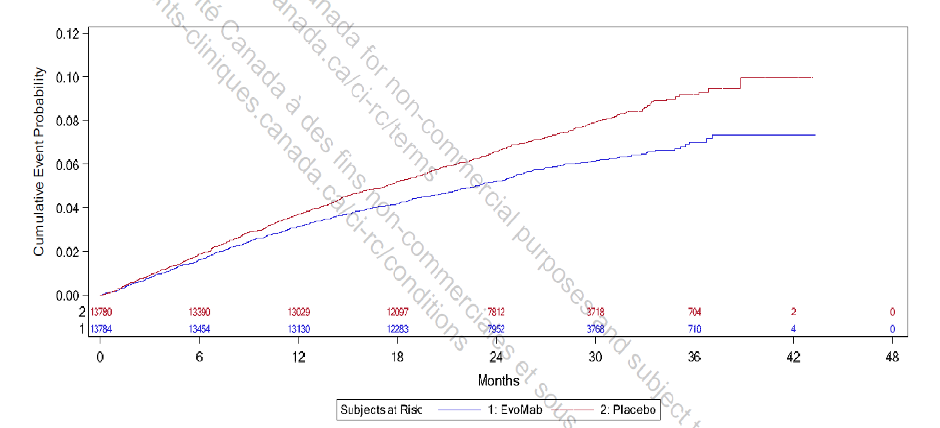

Evomab |  | Placebo
tijd |  |  |  |  | Evomab | Placebo
Line 2 x | Line 2 y | Line 3 x | Line 3 y | 0 | 13784 | 13780
0.054694060035 | 0 | 4.33E-02 | -6.54E-05 | 6 | 13454 | 13390
0.19773777511 | 0.0001435986436 | 1.66E-01 | 9.74E-05 | 12 | 13130 | 13029
0.36947658418 | 0.00026740527985 | 2.41E-01 | 4.23E-04 | 18 | 12283 | 12097
0.46954408209 | 0.00076263182483 | 4.67E-01 | 8.30E-04 | 24 | 7952 | 7812
0.62693534416 | 0.0010102450973 | 3.35E-01 | 6.67E-04 | 30 | 3768 | 3718
0.75569793607 | 0.0012578583698 | 6.26E-01 | 1.24E-03 | 36 | 710 | 704
0.91302277431 | 0.0017530849148 | 6.64E-01 | 1.32E-03
1.0560332775 | 0.0022483114598 | 8.05E-01 | 1.64E-03
1.127571741 | 0.002372118096 | 9.46E-01 | 1.97E-03
1.2277720865 | 0.002372118096 | 1.04E+00 | 2.30E-03
1.3564682546 | 0.002867344641 | 1.08E+00 | 3.03E-03
1.4136259592 | 0.0032387645497 | 1.26E+00 | 3.11E-03
1.485064787 | 0.0037339910947 | 1.34E+00 | 3.27E-03
1.5851987087 | 0.0039816043672 | 1.34E+00 | 3.52E-03
1.7425235469 | 0.0044768309122 | 1.51E+00 | 4.00E-03
1.8427238925 | 0.0044768309122 | 1.57E+00 | 4.49E-03
1.9999823069 | 0.0052196707296 | 1.75E+00 | 5.23E-03
2.1429928101 | 0.0057148972746 | 1.87E+00 | 5.47E-03
2.3146319834 | 0.0062101238196 | 2.00E+00 | 5.80E-03
2.6868046955 | 0.0062101238196 | 2.10E+00 | 5.88E-03
2.7008533353 | 0.0072005769096 | 2.12E+00 | 6.45E-03
2.9298162728 | 0.007448190182 | 2.23E+00 | 6.61E-03
3.0585124409 | 0.007943416727 | 2.28E+00 | 7.02E-03
3.1586463626 | 0.0081910299995 | 2.49E+00 | 7.42E-03
3.3587481465 | 0.0093052897257 | 2.60E+00 | 7.51E-03
3.3587481465 | 0.0093052897257 | 2.68E+00 | 8.08E-03
3.5018582854 | 0.009429096362 | 2.82E+00 | 8.24E-03
3.6879114296 | 0.0095529029982 | 2.86E+00 | 8.48E-03
3.7970565674 | 0.0098516526007 | 2.95E+00 | 8.81E-03
3.9338896588 | 0.010174626445 | 3.03E+00 | 9.05E-03
4.058275502 | 0.010497600289 | 3.08E+00 | 9.46E-03
4.2075269618 | 0.01092823208 | 3.18E+00 | 9.70E-03
4.3815285185 | 0.011897153612 | 3.33E+00 | 9.87E-03
4.5432272266 | 0.012327785404 | 3.40E+00 | 1.02E-02
4.6676419497 | 0.0125431013 | 3.49E+00 | 1.06E-02
4.866538003 | 0.013512022832 | 3.56E+00 | 1.08E-02
4.9785343577 | 0.01361968078 | 3.61E+00 | 1.13E-02
5.364312415 | 0.013942654624 | 3.88E+00 | 1.13E-02
5.1776325705 | 0.013834996676 | 3.96E+00 | 1.21E-02
5.5260111231 | 0.014373286416 | 4.11E+00 | 1.25E-02
5.6130841013 | 0.014588602312 | 4.28E+00 | 1.30E-02
5.7374988243 | 0.014803918208 | 4.49E+00 | 1.35E-02
5.8369612909 | 0.015234549999 | 4.67E+00 | 1.36E-02
5.9115003811 | 0.015772839739 | 4.79E+00 | 1.39E-02
6.0483334725 | 0.016095813583 | 4.88E+00 | 1.44E-02
6.1603298272 | 0.016203471531 | 4.99E+00 | 1.49E-02
6.3219996554 | 0.016741761271 | 5.14E+00 | 1.55E-02
6.5208957087 | 0.017710682803 | 5.23E+00 | 1.60E-02
6.6701471685 | 0.018141314595 | 5.34E+00 | 1.63E-02
6.8069225001 | 0.018679604335 | 5.45E+00 | 1.67E-02
6.9811839762 | 0.018679604335 | 5.57E+00 | 1.69E-02
6.9809529367 | 0.019540867918 | 5.70E+00 | 1.74E-02
7.1676616611 | 0.019540867918 | 5.81E+00 | 1.76E-02
7.3293603692 | 0.01997149971 | 5.92E+00 | 1.83E-02
7.4164911073 | 0.01997149971 | 5.98E+00 | 1.87E-02
7.5657136871 | 0.02050978945 | 6.09E+00 | 1.87E-02
7.7024601388 | 0.021155737138 | 6.16E+00 | 1.88E-02
7.8889955836 | 0.021801684826 | 6.16E+00 | 1.92E-02
8.1129016532 | 0.022339974566 | 6.28E+00 | 1.92E-02
8.312028746 | 0.022447632514 | 6.39E+00 | 1.95E-02
8.5484687037 | 0.02266294841 | 6.47E+00 | 1.95E-02
8.7101096519 | 0.023308896098 | 6.63E+00 | 2.00E-02
8.8593322318 | 0.023847185837 | 6.72E+00 | 2.01E-02
9.0085548116 | 0.024385475577 | 6.72E+00 | 2.10E-02
9.220013633 | 0.024923765317 | 6.80E+00 | 2.13E-02
9.4065490778 | 0.025569713005 | 6.96E+00 | 2.24E-02
9.5806950342 | 0.026000344797 | 7.20E+00 | 2.27E-02
9.8669817449 | 0.026000344797 | 7.34E+00 | 2.31E-02
9.9663575717 | 0.026753950433 | 7.44E+00 | 2.35E-02
10.115609032 | 0.027184582225 | 7.10E+00 | 2.26E-02
10.327154493 | 0.027399898121 | 6.86E+00 | 2.19E-02
10.439093087 | 0.027722871964 | 7.53E+00 | 2.39E-02
10.675446405 | 0.028261161704 | 7.79E+00 | 2.44E-02
10.911799723 | 0.028799451444 | 7.82E+00 | 2.48E-02
11.148210801 | 0.029122425288 | 7.88E+00 | 2.52E-02
11.359611863 | 0.029876030924 | 8.03E+00 | 2.53E-02
11.483968826 | 0.030306662716 | 8.12E+00 | 2.59E-02
11.595849661 | 0.030844952456 | 8.29E+00 | 2.60E-02
11.931925365 | 0.030844952456 | 8.42E+00 | 2.64E-02
12.031358951 | 0.031383242196 | 8.52E+00 | 2.69E-02
12.143355306 | 0.031490900144 | 8.57E+00 | 2.76E-02
12.354785247 | 0.032136847831 | 8.74E+00 | 2.82E-02
12.566272949 | 0.032567479623 | 8.85E+00 | 2.82E-02
12.715524409 | 0.032998111415 | 8.93E+00 | 2.85E-02
12.864805128 | 0.033321085259 | 8.97E+00 | 2.90E-02
13.076292829 | 0.033751717051 | 9.15E+00 | 2.89E-02
13.238078177 | 0.033859374999 | 9.42E+00 | 2.93E-02
13.424786902 | 0.033859374999 | 9.48E+00 | 2.96E-02
13.486820984 | 0.034612980635 | 9.77E+00 | 2.97E-02
13.66111134 | 0.034505322687 | 9.84E+00 | 3.00E-02
13.822867808 | 0.034720638583 | 9.93E+00 | 3.02E-02
13.972205907 | 0.034828296531 | 9.96E+00 | 3.08E-02
14.121428487 | 0.035366586271 | 1.00E+01 | 3.11E-02
14.270593307 | 0.036120191907 | 1.01E+01 | 3.14E-02
14.4697204 | 0.036227849854 | 1.02E+01 | 3.18E-02
14.743444342 | 0.036658481646 | 1.02E+01 | 3.18E-02
14.967437052 | 0.036873797542 | 1.03E+01 | 3.22E-02
15.203934769 | 0.036873797542 | 1.04E+01 | 3.24E-02
15.253463843 | 0.037842719074 | 1.05E+01 | 3.28E-02
15.440114808 | 0.03805803497 | 1.06E+01 | 3.31E-02
15.689002014 | 0.038273350866 | 1.07E+01 | 3.35E-02
15.93786034 | 0.03859632471 | 1.09E+01 | 3.39E-02
16.074693431 | 0.038919298554 | 1.08E+01 | 3.40E-02
16.149290281 | 0.039242272398 | 1.11E+01 | 3.46E-02
16.323522877 | 0.039349930346 | 1.12E+01 | 3.49E-02
16.522476691 | 0.040103535982 | 1.13E+01 | 3.49E-02
16.646949173 | 0.040103535982 | 1.14E+01 | 3.53E-02
16.821239529 | 0.039995878034 | 1.15E+01 | 3.53E-02
16.920644236 | 0.040641825721 | 1.16E+01 | 3.58E-02
17.206930947 | 0.040641825721 | 1.17E+01 | 3.58E-02
17.393524152 | 0.041072457513 | 1.18E+01 | 3.64E-02
17.518025514 | 0.040964799565 | 1.20E+01 | 3.68E-02
17.580146236 | 0.041395431357 | 1.22E+01 | 3.69E-02
17.965982053 | 0.041503089305 | 1.23E+01 | 3.74E-02
18.177469755 | 0.041933721097 | 1.24E+01 | 3.78E-02
18.252008845 | 0.042472010837 | 1.26E+01 | 3.83E-02
18.588142308 | 0.042256694941 | 1.27E+01 | 3.84E-02
18.637729142 | 0.043010300577 | 1.28E+01 | 3.90E-02
18.787067242 | 0.043117958525 | 1.29E+01 | 3.95E-02
18.911308685 | 0.043979222109 | 1.31E+01 | 3.97E-02
19.210042644 | 0.043979222109 | 1.32E+01 | 4.01E-02
19.433862074 | 0.044840485692 | 1.34E+01 | 4.00E-02
19.60818131 | 0.044625169797 | 1.34E+01 | 4.06E-02
19.583200174 | 0.04494814364 | 1.35E+01 | 4.07E-02
19.944199254 | 0.044840485692 | 1.36E+01 | 4.08E-02
20.105869082 | 0.045378775432 | 1.37E+01 | 4.11E-02
20.354669648 | 0.045917065172 | 1.38E+01 | 4.15E-02
20.591109606 | 0.046132381068 | 1.39E+01 | 4.17E-02
20.852386301 | 0.04656301286 | 1.42E+01 | 4.23E-02
21.088826258 | 0.046778328756 | 1.41E+01 | 4.23E-02
21.063874002 | 0.046993644652 | 1.43E+01 | 4.30E-02
21.200793733 | 0.046993644652 | 1.44E+01 | 4.34E-02
21.350074073 | 0.047316618496 | 1.45E+01 | 4.37E-02
21.499325533 | 0.047747250288 | 1.46E+01 | 4.44E-02
21.685976497 | 0.047962566184 | 1.47E+01 | 4.47E-02
21.847617445 | 0.048608513872 | 1.49E+01 | 4.48E-02
22.10898078 | 0.04871617182 | 1.50E+01 | 4.55E-02
22.382704722 | 0.049146803611 | 1.52E+01 | 4.54E-02
22.54440343 | 0.049577435403 | 1.52E+01 | 4.60E-02
22.830661261 | 0.049685093351 | 1.54E+01 | 4.62E-02
22.992388849 | 0.050008067195 | 1.57E+01 | 4.66E-02
23.141582549 | 0.050654014883 | 1.55E+01 | 4.64E-02
23.315728505 | 0.051084646675 | 1.58E+01 | 4.68E-02
23.50237947 | 0.051299962571 | 1.59E+01 | 4.74E-02
23.713982691 | 0.051299962571 | 1.60E+01 | 4.78E-02
23.838339654 | 0.051730594363 | 1.63E+01 | 4.83E-02
23.825776886 | 0.052161226155 | 1.65E+01 | 4.81E-02
23.987648874 | 0.051945910259 | 1.66E+01 | 4.88E-02
24.024875099 | 0.052376542051 | 1.69E+01 | 4.87E-02
24.336114066 | 0.052161226155 | 1.64E+01 | 4.81E-02
24.696882107 | 0.052914831791 | 1.63E+01 | 4.82E-02
24.82121019 | 0.05345312153 | 1.68E+01 | 4.88E-02
24.995413907 | 0.053668437426 | 1.71E+01 | 4.92E-02
25.094876373 | 0.054099069218 | 1.72E+01 | 4.94E-02
25.281382938 | 0.054852674854 | 1.73E+01 | 4.98E-02
25.293656907 | 0.055498622542 | 1.75E+01 | 5.02E-02
25.393321533 | 0.055175648698 | 1.76E+01 | 5.05E-02
25.629790371 | 0.055283306646 | 1.78E+01 | 5.08E-02
25.791402439 | 0.056036912282 | 1.80E+01 | 5.19E-02
26.102554766 | 0.05614457023 | 1.81E+01 | 5.21E-02
26.214377841 | 0.056898175866 | 1.83E+01 | 5.24E-02
26.239156818 | 0.057328807658 | 1.84E+01 | 5.25E-02
26.73707563 | 0.05722114971 | 1.85E+01 | 5.28E-02
26.500549032 | 0.057328807658 | 1.87E+01 | 5.29E-02
26.911192706 | 0.057759439449 | 1.88E+01 | 5.33E-02
26.985645157 | 0.058620703033 | 1.88E+01 | 5.37E-02
27.309302492 | 0.058513045085 | 1.91E+01 | 5.41E-02
27.508400705 | 0.058728360981 | 1.91E+01 | 5.36E-02
27.62042594 | 0.058728360981 | 1.90E+01 | 5.35E-02
27.757287911 | 0.058943676877 | 1.92E+01 | 5.43E-02
27.894149882 | 0.059158992773 | 1.94E+01 | 5.46E-02
28.155339937 | 0.059912598409 | 1.96E+01 | 5.50E-02
28.429152037 | 0.060020262928 | 1.96E+01 | 5.54E-02
28.603384633 | 0.060127920876 | 1.97E+01 | 5.54E-02
28.790093358 | 0.060127920876 | 1.98E+01 | 5.55E-02
28.902031953 | 0.06045089472 | 1.99E+01 | 5.60E-02
29.051427812 | 0.060343236772 | 2.01E+01 | 5.63E-02
29.188260903 | 0.060666210616 | 2.01E+01 | 5.70E-02
29.449710877 | 0.06045089472 | 2.02E+01 | 5.72E-02
29.673616947 | 0.06098918446 | 2.04E+01 | 5.73E-02
30.034558268 | 0.061096842408 | 2.06E+01 | 5.77E-02
30.09662123 | 0.061742790095 | 2.07E+01 | 5.88E-02
30.270882706 | 0.061742790095 | 2.08E+01 | 5.86E-02
30.270796066 | 0.062065763939 | 2.09E+01 | 5.86E-02
30.793638254 | 0.061850448043 | 2.11E+01 | 5.88E-02
30.830835599 | 0.062388737783 | 2.13E+01 | 5.89E-02
31.254042041 | 0.062388737783 | 2.10E+01 | 5.89E-02
31.415769629 | 0.062711711627 | 2.14E+01 | 5.93E-02
31.540097712 | 0.063250001367 | 2.15E+01 | 5.94E-02
31.901067913 | 0.063250001367 | 2.16E+01 | 5.98E-02
32.21216248 | 0.063572975211 | 2.16E+01 | 6.02E-02
32.261749314 | 0.064326580847 | 2.18E+01 | 6.04E-02
32.734831389 | 0.064003607003 | 2.19E+01 | 6.05E-02
33.09548391 | 0.065187844431 | 2.21E+01 | 6.07E-02
33.618268338 | 0.065187844431 | 2.22E+01 | 6.07E-02
33.655407924 | 0.065941450066 | 2.23E+01 | 6.10E-02
34.800583647 | 0.065833792118 | 2.24E+01 | 6.17E-02
34.862502209 | 0.067018029546 | 2.26E+01 | 6.17E-02
35.123923303 | 0.066910371598 | 2.28E+01 | 6.22E-02
35.136197272 | 0.067556319286 | 2.29E+01 | 6.25E-02
35.459796847 | 0.067663977234 | 2.30E+01 | 6.26E-02
35.459450288 | 0.06895587261 | 2.31E+01 | 6.33E-02
35.695948006 | 0.06895587261 | 2.35E+01 | 6.34E-02
35.720582583 | 0.069924794141 | 2.33E+01 | 6.37E-02
36.741285823 | 0.069817136194 | 2.35E+01 | 6.43E-02
36.778194369 | 0.071432005413 | 2.37E+01 | 6.45E-02
37.039528823 | 0.071647321309 | 2.37E+01 | 6.51E-02
37.064019001 | 0.073154532581 | 2.40E+01 | 6.54E-02
37.686352535 | 0.073262190529 | 2.32E+01 | 6.35E-02
38.582612172 | 0.073046874633 | 2.38E+01 | 6.53E-02
39.665465014 | 0.073262190529 | 2.41E+01 | 6.58E-02
40.101147584 | 0.073154532581 | 2.42E+01 | 6.64E-02
40.71100499 | 0.073369848477 | 2.43E+01 | 6.65E-02
41.607264627 | 0.073154532581 | 2.45E+01 | 6.71E-02
42.329176148 | 0.073262190529 | 2.46E+01 | 6.71E-02
43.013803684 | 0.073154532581 | 2.47E+01 | 6.74E-02
43.275195898 | 0.073154532581 | 2.48E+01 | 6.77E-02
 |  | 2.49E+01 | 6.82E-02
 |  | 2.51E+01 | 6.86E-02
 |  | 2.52E+01 | 6.84E-02
 |  | 2.54E+01 | 6.90E-02
 |  | 2.57E+01 | 6.94E-02
 |  | 2.58E+01 | 6.99E-02
 |  | 2.60E+01 | 6.99E-02
 |  | 2.61E+01 | 7.03E-02
 |  | 2.63E+01 | 7.06E-02
 |  | 2.64E+01 | 7.07E-02
 |  | 2.65E+01 | 7.09E-02
 |  | 2.67E+01 | 7.12E-02
 |  | 2.68E+01 | 7.15E-02
 |  | 2.70E+01 | 7.23E-02
 |  | 2.73E+01 | 7.25E-02
 |  | 2.74E+01 | 7.23E-02
 |  | 2.74E+01 | 7.32E-02
 |  | 2.76E+01 | 7.34E-02
 |  | 2.78E+01 | 7.39E-02
 |  | 2.79E+01 | 7.42E-02
 |  | 2.80E+01 | 7.42E-02
 |  | 2.81E+01 | 7.48E-02
 |  | 2.83E+01 | 7.47E-02
 |  | 2.84E+01 | 7.51E-02
 |  | 2.86E+01 | 7.53E-02
 |  | 2.87E+01 | 7.56E-02
 |  | 2.88E+01 | 7.64E-02
 |  | 2.88E+01 | 7.69E-02
 |  | 2.90E+01 | 7.65E-02
 |  | 2.92E+01 | 7.65E-02
 |  | 2.93E+01 | 7.70E-02
 |  | 2.94E+01 | 7.73E-02
 |  | 2.95E+01 | 7.78E-02
 |  | 2.96E+01 | 7.83E-02
 |  | 2.98E+01 | 7.85E-02
 |  | 3.00E+01 | 7.89E-02
 |  | 3.00E+01 | 7.95E-02
 |  | 3.03E+01 | 7.95E-02
 |  | 3.01E+01 | 7.97E-02
 |  | 3.07E+01 | 8.05E-02
 |  | 3.10E+01 | 8.04E-02
 |  | 3.10E+01 | 8.13E-02
 |  | 3.12E+01 | 8.13E-02
 |  | 3.05E+01 | 8.03E-02
 |  | 3.04E+01 | 8.00E-02
 |  | 3.13E+01 | 8.22E-02
 |  | 3.14E+01 | 8.26E-02
 |  | 3.16E+01 | 8.29E-02
 |  | 3.18E+01 | 8.30E-02
 |  | 3.19E+01 | 8.36E-02
 |  | 3.19E+01 | 8.39E-02
 |  | 3.21E+01 | 8.44E-02
 |  | 3.23E+01 | 8.44E-02
 |  | 3.26E+01 | 8.44E-02
 |  | 3.28E+01 | 8.44E-02
 |  | 3.29E+01 | 8.49E-02
 |  | 3.29E+01 | 8.52E-02
 |  | 3.30E+01 | 8.57E-02
 |  | 3.31E+01 | 8.61E-02
 |  | 3.32E+01 | 8.63E-02
 |  | 3.34E+01 | 8.82E-02
 |  | 3.35E+01 | 8.85E-02
 |  | 3.33E+01 | 8.70E-02
 |  | 3.32E+01 | 8.68E-02
 |  | 3.36E+01 | 8.92E-02
 |  | 3.38E+01 | 8.92E-02
 |  | 3.40E+01 | 8.91E-02
 |  | 3.42E+01 | 8.92E-02
 |  | 3.43E+01 | 8.92E-02
 |  | 3.36E+01 | 8.93E-02
 |  | 3.43E+01 | 8.96E-02
 |  | 3.46E+01 | 8.95E-02
 |  | 3.49E+01 | 8.94E-02
 |  | 3.49E+01 | 9.05E-02
 |  | 3.49E+01 | 9.09E-02
 |  | 3.50E+01 | 9.07E-02
 |  | 3.51E+01 | 9.15E-02
 |  | 3.56E+01 | 9.15E-02
 |  | 3.63E+01 | 9.16E-02
 |  | 3.63E+01 | 9.26E-02
 |  | 3.69E+01 | 9.46E-02
 |  | 3.68E+01 | 9.27E-02
 |  | 3.66E+01 | 9.27E-02
 |  | 3.72E+01 | 9.44E-02
 |  | 3.77E+01 | 9.43E-02
 |  | 3.81E+01 | 9.42E-02
 |  | 4.35E+01 | 3.97E-02
 |  | 3.85E+01 | 9.44E-02
 |  | 3.88E+01 | 9.44E-02
 |  | 3.88E+01 | 9.92E-02
 |  | 3.93E+01 | 9.92E-02
 |  | 3.99E+01 | 9.91E-02
 |  | 4.06E+01 | 9.92E-02
 |  | 4.14E+01 | 9.92E-02
 |  | 4.20E+01 | 9.91E-02
 |  | 4.26E+01 | 9.92E-02
 |  | 4.31E+01 | 9.92E-02

